Sheet1
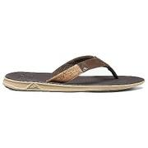
MOOSEJAW_10308043

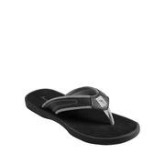
LAT_0500046472718

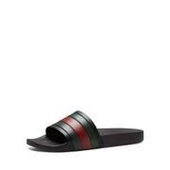
BDGM_prod81660059

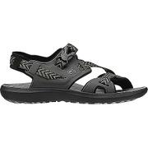
MOOSEJAW_10304764

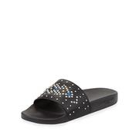
NEIMAN_prod187760225

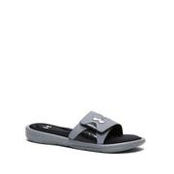
LAT_0500019607043

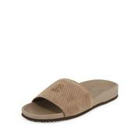
BDGM_prod114610134

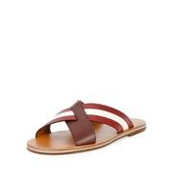
NEIMAN_prod187950282

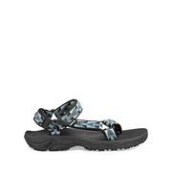
LAT_0500019927946

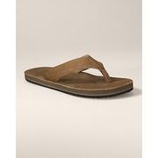
EDDIEBAUER_91903488

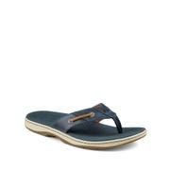
LAT_0500042696302

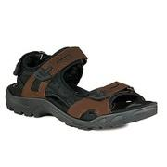
MOOSEJAW_10250969

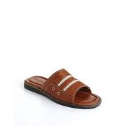
LAT_0500017964289

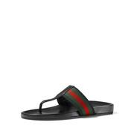
NEIMAN_prod178380310

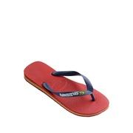
LAT_0500019716406

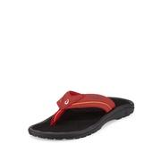
NEIMAN_prod189910134

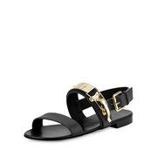
NEIMAN_prod175910014

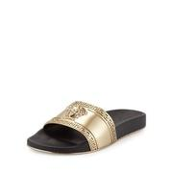
NEIMAN_prod192490065

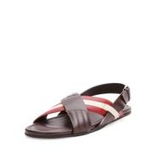
NEIMAN_prod180030012

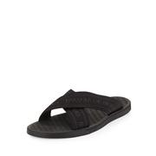
NEIMAN_prod189220330

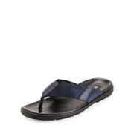
BDGM_prod103770139

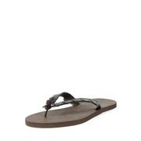
BDGM_prod102610041

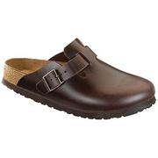
MOOSEJAW_10250231

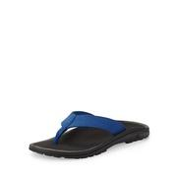
NEIMAN_prod168630035

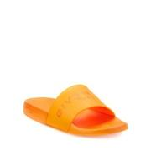
BDGM_prod118710187

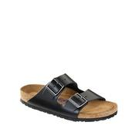
LAT_0500018595488

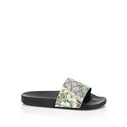
SAKS_0400088440859

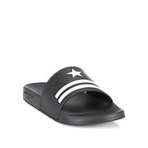
SAKS_0400088796706

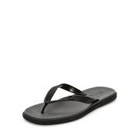
NEIMAN_prod187460077

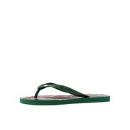
BDGM_prod117180065

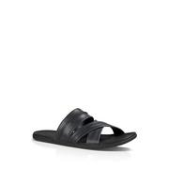
LAT_0500019912716

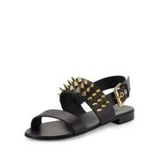
BDGM_prod117000082

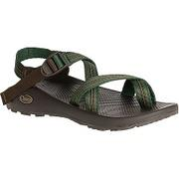
MOOSEJAW_10305163

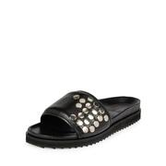
NEIMAN_prod183270207

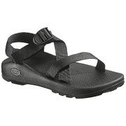
MOOSEJAW_10020819

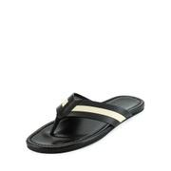
NEIMAN_prod180020187

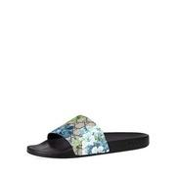
NEIMAN_prod187780098

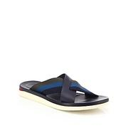
SAKS_0400089210309

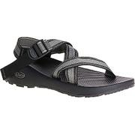
MOOSEJAW_10305161

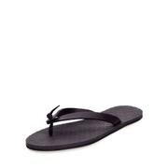
BDGM_prod112560027

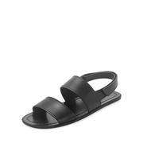
NEIMAN_prod183200177

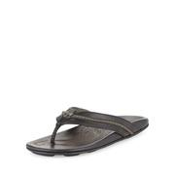
NEIMAN_prod168620214

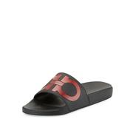
NEIMAN_prod190300076

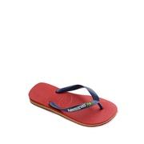
LAT_0500017852864

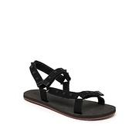
SAKS_0400088991090

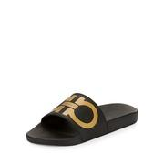
BDGM_prod119690015

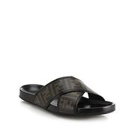
SAKS_0414928948243

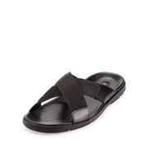
BDGM_prod103770140

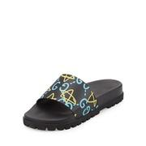
BDGM_prod119720007

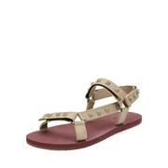
BDGM_prod113200014


BDGM_prod115500215


MOOSEJAW_10007464


BDGM_prod113190072


NEIMAN_prod183600290


NEIMAN_prod168620216


COLEHAAN_C23985


SAKS_0400088442733


SAKS_0400090209984


SAKS_0400089135164


NEIMAN_prod186960050


SAKS_0400090148622


EDDIEBAUER_91904011


MOOSEJAW_10272164

NEIMAN_prod190300077


NEIMAN_prod183600296


MOOSEJAW_10304777


RALPH_87025456


BDGM_prod97340018


NEIMAN_prod183120312


BDGM_prod105260028


LAT_0500016205122


BDGM_prod114620045


NEIMAN_prod172950038


SAKS_0403146521055


SAKS_0400089136024


NEIMAN_prod176400079


BDGM_prod117180062


SAKS_0400087239887


NEIMAN_prod168620215


BDGM_prod111930045


BDGM_prod119690016


BDGM_prod112780093


MOOSEJAW_10274244


LAT_0500019969294


NEIMAN_prod190330017


MOOSEJAW_10305165


NEIMAN_prod189220331


BDGM_prod113190073


SAKS_0400089135178


SAKS_0400090451678


SAKS_0400092395961


LAT_0500019719962


SAKS_0400088996526


MOOSEJAW_10272141


MOOSEJAW_10214226


MOOSEJAW_10305189


MOOSEJAW_10250258


NEIMAN_prod190300078


COLEHAAN_C23981


BDGM_prod112890137


LAT_0500018039560


NEIMAN_prod194480069


SAKS_0479927633255


NEIMAN_prod182450305


NEIMAN_prod151960333


EDDIEBAUER_91904003


BDGM_prod117180061


MOOSEJAW_10213385


NEIMAN_prod178160764


NEIMAN_prod190970358


LAT_0500017964206


MOOSEJAW_10035440


NEIMAN_prod168020024


NEIMAN_prod172950039


COLEHAAN_C23980


MOOSEJAW_10213419


NEIMAN_prod182310037


COLEHAAN_C23982


NEIMAN_prod174110904


MOOSEJAW_10007465


SAKS_0400089861720


SAKS_0414928948267


SAKS_0400089861778


BDGM_prod112910043


NEIMAN_prod176390163


BDGM_prod107470120


LAT_0500019967173


MOOSEJAW_10213386


MOOSEJAW_10234894


NEIMAN_prod185810202


NEIMAN_prod158830158


NEIMAN_prod183270251


MOOSEJAW_10273489


SAKS_0400089004881


BDGM_prod107470121


EDDIEBAUER_91903485


SAKS_0400089005027


MOOSEJAW_10246760


NEIMAN_prod186960058


MOOSEJAW_10304812


SAKS_0400089135138

BDGM_prod117150041


BDGM_prod81660061


SAKS_0400088442741


LAT_0500079746061


NEIMAN_prod177920595


MOOSEJAW_10273488


SAKS_0400089861760


NEIMAN_prod189910136

